Spy Problem
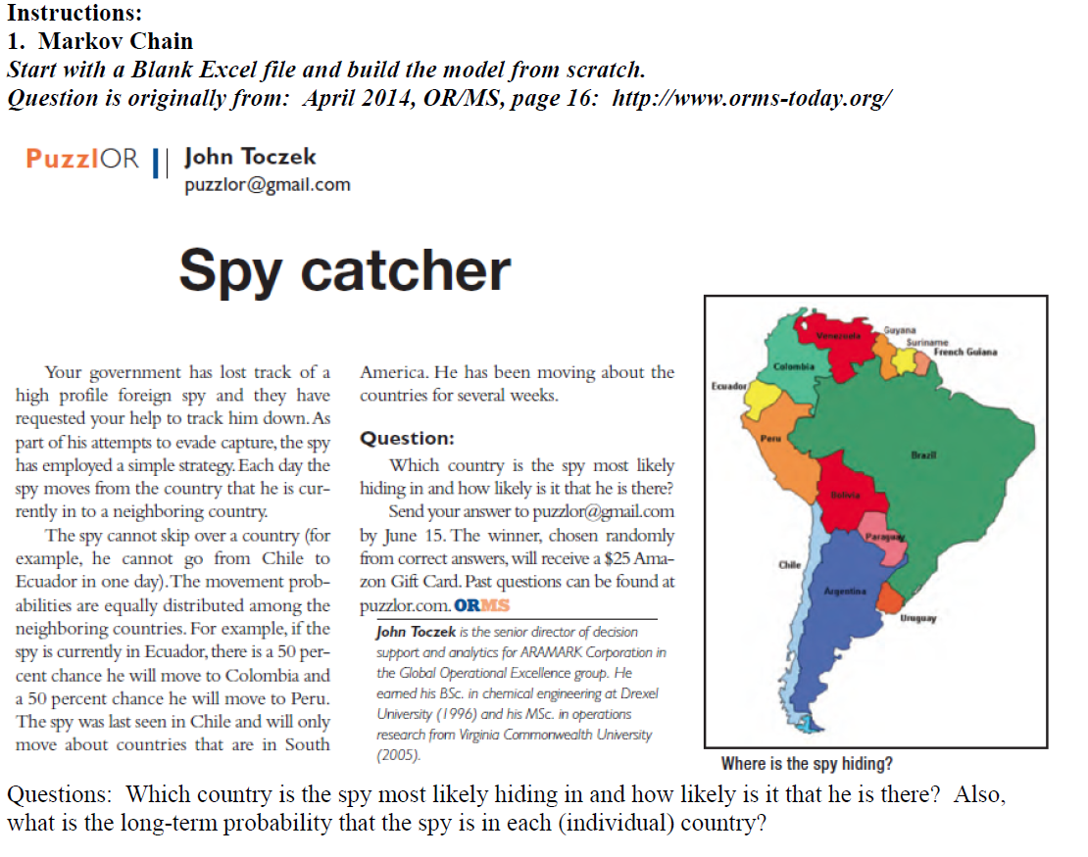

Adjacency Matrix | Chile | Bolivia | Paraguay | Argentina | Uruguay | Brazil | Peru | Ecuador | Columbia | Venezuela | Guyana | Suriname | French Guiana | Sum
Chile (last seen) | 0 | 1 | 0 | 1 | 0 | 0 | 1 | 0 | 0 | 0 | 0 | 0 | 0 | 3
Bolivia | 1 | 0 | 1 | 1 | 0 | 1 | 1 | 0 | 0 | 0 | 0 | 0 | 0 | 5
Paraguay | 0 | 1 | 0 | 1 | 0 | 1 | 0 | 0 | 0 | 0 | 0 | 0 | 0 | 3
Argentina | 1 | 1 | 1 | 0 | 1 | 1 | 0 | 0 | 0 | 0 | 0 | 0 | 0 | 5
Uruguay | 0 | 0 | 0 | 1 | 0 | 1 | 0 | 0 | 0 | 0 | 0 | 0 | 0 | 2
Brazil | 0 | 1 | 1 | 1 | 1 | 0 | 1 | 0 | 1 | 1 | 1 | 1 | 1 | 10
Peru | 1 | 1 | 0 | 0 | 0 | 1 | 0 | 1 | 1 | 0 | 0 | 0 | 0 | 5
Ecuador | 0 | 0 | 0 | 0 | 0 | 0 | 1 | 0 | 1 | 0 | 0 | 0 | 0 | 2
Columbia | 0 | 0 | 0 | 0 | 0 | 1 | 1 | 1 | 0 | 1 | 0 | 0 | 0 | 4
Venezuela | 0 | 0 | 0 | 0 | 0 | 1 | 0 | 0 | 1 | 0 | 1 | 0 | 0 | 3
Guyana | 0 | 0 | 0 | 0 | 0 | 1 | 0 | 0 | 0 | 1 | 0 | 1 | 0 | 3
Suriname | 0 | 0 | 0 | 0 | 0 | 1 | 0 | 0 | 0 | 0 | 1 | 0 | 1 | 3
French Guiana | 0 | 0 | 0 | 0 | 0 | 1 | 0 | 0 | 0 | 0 | 0 | 1 | 0 | 2
Sum | 3 | 5 | 3 | 5 | 2 | 10 | 5 | 2 | 4 | 3 | 3 | 3 | 2 | 50

Probability Matrix | Chile | Bolivia | Paraguay | Argentina | Uruguay | Brazil | Peru | Ecuador | Columbia | Venezuela | Guyana | Suriname | French Guiana | Sum
Chile | 0.00 | 0.33 | 0.00 | 0.33 | 0.00 | 0.00 | 0.33 | 0.00 | 0.00 | 0.00 | 0.00 | 0.00 | 0.00 | 1
Bolivia | 0.20 | 0.00 | 0.20 | 0.20 | 0.00 | 0.20 | 0.20 | 0.00 | 0.00 | 0.00 | 0.00 | 0.00 | 0.00 | 1
Paraguay | 0.00 | 0.33 | 0.00 | 0.33 | 0.00 | 0.33 | 0.00 | 0.00 | 0.00 | 0.00 | 0.00 | 0.00 | 0.00 | 1
Argentina | 0.20 | 0.20 | 0.20 | 0.00 | 0.20 | 0.20 | 0.00 | 0.00 | 0.00 | 0.00 | 0.00 | 0.00 | 0.00 | 1
Uruguay | 0.00 | 0.00 | 0.00 | 0.50 | 0.00 | 0.50 | 0.00 | 0.00 | 0.00 | 0.00 | 0.00 | 0.00 | 0.00 | 1
Brazil | 0.00 | 0.10 | 0.10 | 0.10 | 0.10 | 0.00 | 0.10 | 0.00 | 0.10 | 0.10 | 0.10 | 0.10 | 0.10 | 1
Peru | 0.20 | 0.20 | 0.00 | 0.00 | 0.00 | 0.20 | 0.00 | 0.20 | 0.20 | 0.00 | 0.00 | 0.00 | 0.00 | 1
Ecuador | 0.00 | 0.00 | 0.00 | 0.00 | 0.00 | 0.00 | 0.50 | 0.00 | 0.50 | 0.00 | 0.00 | 0.00 | 0.00 | 1
Columbia | 0.00 | 0.00 | 0.00 | 0.00 | 0.00 | 0.25 | 0.25 | 0.25 | 0.00 | 0.25 | 0.00 | 0.00 | 0.00 | 1
Venezuela | 0.00 | 0.00 | 0.00 | 0.00 | 0.00 | 0.33 | 0.00 | 0.00 | 0.33 | 0.00 | 0.33 | 0.00 | 0.00 | 1
Guyana | 0.00 | 0.00 | 0.00 | 0.00 | 0.00 | 0.33 | 0.00 | 0.00 | 0.00 | 0.33 | 0.00 | 0.33 | 0.00 | 1
Suriname | 0.00 | 0.00 | 0.00 | 0.00 | 0.00 | 0.33 | 0.00 | 0.00 | 0.00 | 0.00 | 0.33 | 0.00 | 0.33 | 1
French Guiana | 0.00 | 0.00 | 0.00 | 0.00 | 0.00 | 0.50 | 0.00 | 0.00 | 0.00 | 0.00 | 0.00 | 0.50 | 0.00 | 1
Sum | 0.60 | 1.17 | 0.50 | 1.47 | 0.30 | 3.18 | 1.38 | 0.45 | 1.13 | 0.68 | 0.77 | 0.93 | 0.43 | 13

Day 2; P^2 | Chile | Bolivia | Paraguay | Argentina | Uruguay | Brazil | Peru | Ecuador | Columbia | Venezuela | Guyana | Suriname | French Guiana
Chile | 0.20 | 0.13 | 0.13 | 0.07 | 0.07 | 0.20 | 0.07 | 0.07 | 0.07 | 0.00 | 0.00 | 0.00 | 0.00
Bolivia | 0.08 | 0.23 | 0.06 | 0.15 | 0.06 | 0.15 | 0.09 | 0.04 | 0.06 | 0.02 | 0.02 | 0.02 | 0.02
Paraguay | 0.13 | 0.10 | 0.17 | 0.10 | 0.10 | 0.13 | 0.10 | 0.00 | 0.03 | 0.03 | 0.03 | 0.03 | 0.03
Argentina | 0.04 | 0.15 | 0.06 | 0.29 | 0.02 | 0.21 | 0.13 | 0.00 | 0.02 | 0.02 | 0.02 | 0.02 | 0.02
Uruguay | 0.10 | 0.15 | 0.15 | 0.05 | 0.15 | 0.10 | 0.05 | 0.00 | 0.05 | 0.05 | 0.05 | 0.05 | 0.05
Brazil | 0.06 | 0.07 | 0.04 | 0.10 | 0.02 | 0.32 | 0.05 | 0.05 | 0.05 | 0.06 | 0.07 | 0.08 | 0.03
Peru | 0.04 | 0.09 | 0.06 | 0.13 | 0.02 | 0.09 | 0.28 | 0.05 | 0.12 | 0.07 | 0.02 | 0.02 | 0.02
Ecuador | 0.10 | 0.10 | 0.00 | 0.00 | 0.00 | 0.23 | 0.13 | 0.23 | 0.10 | 0.13 | 0.00 | 0.00 | 0.00
Columbia | 0.05 | 0.08 | 0.03 | 0.03 | 0.03 | 0.13 | 0.15 | 0.05 | 0.28 | 0.03 | 0.11 | 0.03 | 0.03
Venezuela | 0.00 | 0.03 | 0.03 | 0.03 | 0.03 | 0.19 | 0.12 | 0.08 | 0.03 | 0.23 | 0.03 | 0.14 | 0.03
Guyana | 0.00 | 0.03 | 0.03 | 0.03 | 0.03 | 0.22 | 0.03 | 0.00 | 0.14 | 0.03 | 0.26 | 0.03 | 0.14
Suriname | 0.00 | 0.03 | 0.03 | 0.03 | 0.03 | 0.28 | 0.03 | 0.00 | 0.03 | 0.14 | 0.03 | 0.31 | 0.03
French Guiana | 0.00 | 0.05 | 0.05 | 0.05 | 0.05 | 0.17 | 0.05 | 0.00 | 0.05 | 0.05 | 0.22 | 0.05 | 0.22
Average | 0.062 | 0.097 | 0.065 | 0.082 | 0.047 | 0.186 | 0.097 | 0.043 | 0.081 | 0.066 | 0.066 | 0.061 | 0.048 | 1.000

Day 3; P^4 | Chile | Bolivia | Paraguay | Argentina | Uruguay | Brazil | Peru | Ecuador | Columbia | Venezuela | Guyana | Suriname | French Guiana
Chile | 0.10 | 0.12 | 0.08 | 0.10 | 0.05 | 0.19 | 0.10 | 0.05 | 0.07 | 0.04 | 0.03 | 0.03 | 0.02
Bolivia | 0.07 | 0.13 | 0.07 | 0.13 | 0.05 | 0.18 | 0.10 | 0.04 | 0.07 | 0.04 | 0.04 | 0.04 | 0.03
Paraguay | 0.08 | 0.11 | 0.09 | 0.11 | 0.06 | 0.18 | 0.10 | 0.03 | 0.06 | 0.05 | 0.05 | 0.05 | 0.04
Argentina | 0.06 | 0.13 | 0.06 | 0.16 | 0.04 | 0.20 | 0.11 | 0.03 | 0.06 | 0.04 | 0.04 | 0.04 | 0.03
Uruguay | 0.08 | 0.12 | 0.09 | 0.09 | 0.07 | 0.17 | 0.09 | 0.03 | 0.07 | 0.05 | 0.06 | 0.05 | 0.04
Brazil | 0.06 | 0.09 | 0.05 | 0.10 | 0.03 | 0.23 | 0.08 | 0.04 | 0.07 | 0.06 | 0.06 | 0.07 | 0.04
Peru | 0.06 | 0.10 | 0.06 | 0.11 | 0.03 | 0.16 | 0.15 | 0.05 | 0.10 | 0.06 | 0.04 | 0.04 | 0.03
Ecuador | 0.07 | 0.10 | 0.04 | 0.07 | 0.03 | 0.21 | 0.12 | 0.09 | 0.09 | 0.08 | 0.03 | 0.04 | 0.02
Columbia | 0.06 | 0.09 | 0.05 | 0.07 | 0.03 | 0.18 | 0.12 | 0.05 | 0.14 | 0.05 | 0.08 | 0.04 | 0.04
Venezuela | 0.04 | 0.07 | 0.05 | 0.07 | 0.03 | 0.21 | 0.10 | 0.06 | 0.07 | 0.11 | 0.05 | 0.10 | 0.04
Guyana | 0.03 | 0.07 | 0.05 | 0.07 | 0.04 | 0.21 | 0.07 | 0.02 | 0.11 | 0.05 | 0.13 | 0.06 | 0.09
Suriname | 0.03 | 0.06 | 0.05 | 0.07 | 0.04 | 0.24 | 0.07 | 0.03 | 0.06 | 0.10 | 0.06 | 0.15 | 0.04
French Guiana | 0.03 | 0.07 | 0.05 | 0.08 | 0.04 | 0.20 | 0.07 | 0.02 | 0.08 | 0.06 | 0.13 | 0.06 | 0.10
Average | 0.060 | 0.098 | 0.061 | 0.094 | 0.042 | 0.198 | 0.099 | 0.040 | 0.081 | 0.062 | 0.063 | 0.061 | 0.042 | 1.000

Day 4; P^16 | Chile | Bolivia | Paraguay | Argentina | Uruguay | Brazil | Peru | Ecuador | Columbia | Venezuela | Guyana | Suriname | French Guiana
Chile | 0.07 | 0.11 | 0.06 | 0.10 | 0.04 | 0.20 | 0.10 | 0.04 | 0.08 | 0.06 | 0.05 | 0.05 | 0.04
Bolivia | 0.06 | 0.10 | 0.06 | 0.10 | 0.04 | 0.20 | 0.10 | 0.04 | 0.08 | 0.06 | 0.06 | 0.06 | 0.04
Paraguay | 0.06 | 0.10 | 0.06 | 0.10 | 0.04 | 0.20 | 0.10 | 0.04 | 0.08 | 0.06 | 0.06 | 0.06 | 0.04
Argentina | 0.06 | 0.10 | 0.06 | 0.11 | 0.04 | 0.20 | 0.10 | 0.04 | 0.08 | 0.06 | 0.06 | 0.06 | 0.04
Uruguay | 0.06 | 0.10 | 0.06 | 0.10 | 0.04 | 0.20 | 0.10 | 0.04 | 0.08 | 0.06 | 0.06 | 0.06 | 0.04
Brazil | 0.06 | 0.10 | 0.06 | 0.10 | 0.04 | 0.20 | 0.10 | 0.04 | 0.08 | 0.06 | 0.06 | 0.06 | 0.04
Peru | 0.06 | 0.10 | 0.06 | 0.10 | 0.04 | 0.20 | 0.11 | 0.04 | 0.08 | 0.06 | 0.06 | 0.06 | 0.04
Ecuador | 0.06 | 0.10 | 0.06 | 0.10 | 0.04 | 0.20 | 0.10 | 0.05 | 0.08 | 0.06 | 0.06 | 0.06 | 0.04
Columbia | 0.06 | 0.10 | 0.06 | 0.10 | 0.04 | 0.20 | 0.10 | 0.04 | 0.09 | 0.06 | 0.06 | 0.06 | 0.04
Venezuela | 0.06 | 0.09 | 0.06 | 0.09 | 0.04 | 0.20 | 0.10 | 0.04 | 0.08 | 0.07 | 0.06 | 0.07 | 0.04
Guyana | 0.05 | 0.09 | 0.06 | 0.09 | 0.04 | 0.20 | 0.10 | 0.04 | 0.08 | 0.06 | 0.07 | 0.06 | 0.05
Suriname | 0.05 | 0.09 | 0.06 | 0.09 | 0.04 | 0.21 | 0.09 | 0.04 | 0.08 | 0.07 | 0.06 | 0.07 | 0.04
French Guiana | 0.05 | 0.09 | 0.06 | 0.09 | 0.04 | 0.20 | 0.09 | 0.04 | 0.08 | 0.06 | 0.07 | 0.06 | 0.05
Average | 0.060 | 0.100 | 0.060 | 0.099 | 0.040 | 0.200 | 0.100 | 0.040 | 0.080 | 0.060 | 0.061 | 0.060 | 0.040 | 1.000 | <- The next iteration (P^64) has slight changes; so we almost converge at P^16;
 |  |  |  |  |  |  |  |  |  |  |  |  |  |  | if the next step is computationally expensive we can stop here
Day 5; P^64 | Chile | Bolivia | Paraguay | Argentina | Uruguay | Brazil | Peru | Ecuador | Columbia | Venezuela | Guyana | Suriname | French Guiana
Chile | 0.06 | 0.10 | 0.06 | 0.10 | 0.04 | 0.20 | 0.10 | 0.04 | 0.08 | 0.06 | 0.06 | 0.06 | 0.04
Bolivia | 0.06 | 0.10 | 0.06 | 0.10 | 0.04 | 0.20 | 0.10 | 0.04 | 0.08 | 0.06 | 0.06 | 0.06 | 0.04
Paraguay | 0.06 | 0.10 | 0.06 | 0.10 | 0.04 | 0.20 | 0.10 | 0.04 | 0.08 | 0.06 | 0.06 | 0.06 | 0.04
Argentina | 0.06 | 0.10 | 0.06 | 0.10 | 0.04 | 0.20 | 0.10 | 0.04 | 0.08 | 0.06 | 0.06 | 0.06 | 0.04
Uruguay | 0.06 | 0.10 | 0.06 | 0.10 | 0.04 | 0.20 | 0.10 | 0.04 | 0.08 | 0.06 | 0.06 | 0.06 | 0.04
Brazil | 0.06 | 0.10 | 0.06 | 0.10 | 0.04 | 0.20 | 0.10 | 0.04 | 0.08 | 0.06 | 0.06 | 0.06 | 0.04
Peru | 0.06 | 0.10 | 0.06 | 0.10 | 0.04 | 0.20 | 0.10 | 0.04 | 0.08 | 0.06 | 0.06 | 0.06 | 0.04
Ecuador | 0.06 | 0.10 | 0.06 | 0.10 | 0.04 | 0.20 | 0.10 | 0.04 | 0.08 | 0.06 | 0.06 | 0.06 | 0.04
Columbia | 0.06 | 0.10 | 0.06 | 0.10 | 0.04 | 0.20 | 0.10 | 0.04 | 0.08 | 0.06 | 0.06 | 0.06 | 0.04
Venezuela | 0.06 | 0.10 | 0.06 | 0.10 | 0.04 | 0.20 | 0.10 | 0.04 | 0.08 | 0.06 | 0.06 | 0.06 | 0.04
Guyana | 0.06 | 0.10 | 0.06 | 0.10 | 0.04 | 0.20 | 0.10 | 0.04 | 0.08 | 0.06 | 0.06 | 0.06 | 0.04
Suriname | 0.06 | 0.10 | 0.06 | 0.10 | 0.04 | 0.20 | 0.10 | 0.04 | 0.08 | 0.06 | 0.06 | 0.06 | 0.04
French Guiana | 0.06 | 0.10 | 0.06 | 0.10 | 0.04 | 0.20 | 0.10 | 0.04 | 0.08 | 0.06 | 0.06 | 0.06 | 0.04
Average | 0.060 | 0.100 | 0.060 | 0.100 | 0.040 | 0.200 | 0.100 | 0.040 | 0.080 | 0.060 | 0.060 | 0.060 | 0.040 | 1.000 | <- The next iteration (P^256) does not change, so we converge at P^64; we can stop here

Day 6; P^256 | Chile | Bolivia | Paraguay | Argentina | Uruguay | Brazil | Peru | Ecuador | Columbia | Venezuela | Guyana | Suriname | French Guiana
Chile | 0.06 | 0.10 | 0.06 | 0.10 | 0.04 | 0.20 | 0.10 | 0.04 | 0.08 | 0.06 | 0.06 | 0.06 | 0.04
Bolivia | 0.06 | 0.10 | 0.06 | 0.10 | 0.04 | 0.20 | 0.10 | 0.04 | 0.08 | 0.06 | 0.06 | 0.06 | 0.04
Paraguay | 0.06 | 0.10 | 0.06 | 0.10 | 0.04 | 0.20 | 0.10 | 0.04 | 0.08 | 0.06 | 0.06 | 0.06 | 0.04
Argentina | 0.06 | 0.10 | 0.06 | 0.10 | 0.04 | 0.20 | 0.10 | 0.04 | 0.08 | 0.06 | 0.06 | 0.06 | 0.04
Uruguay | 0.06 | 0.10 | 0.06 | 0.10 | 0.04 | 0.20 | 0.10 | 0.04 | 0.08 | 0.06 | 0.06 | 0.06 | 0.04
Brazil | 0.06 | 0.10 | 0.06 | 0.10 | 0.04 | 0.20 | 0.10 | 0.04 | 0.08 | 0.06 | 0.06 | 0.06 | 0.04
Peru | 0.06 | 0.10 | 0.06 | 0.10 | 0.04 | 0.20 | 0.10 | 0.04 | 0.08 | 0.06 | 0.06 | 0.06 | 0.04
Ecuador | 0.06 | 0.10 | 0.06 | 0.10 | 0.04 | 0.20 | 0.10 | 0.04 | 0.08 | 0.06 | 0.06 | 0.06 | 0.04
Columbia | 0.06 | 0.10 | 0.06 | 0.10 | 0.04 | 0.20 | 0.10 | 0.04 | 0.08 | 0.06 | 0.06 | 0.06 | 0.04
Venezuela | 0.06 | 0.10 | 0.06 | 0.10 | 0.04 | 0.20 | 0.10 | 0.04 | 0.08 | 0.06 | 0.06 | 0.06 | 0.04
Guyana | 0.06 | 0.10 | 0.06 | 0.10 | 0.04 | 0.20 | 0.10 | 0.04 | 0.08 | 0.06 | 0.06 | 0.06 | 0.04
Suriname | 0.06 | 0.10 | 0.06 | 0.10 | 0.04 | 0.20 | 0.10 | 0.04 | 0.08 | 0.06 | 0.06 | 0.06 | 0.04
French Guiana | 0.06 | 0.10 | 0.06 | 0.10 | 0.04 | 0.20 | 0.10 | 0.04 | 0.08 | 0.06 | 0.06 | 0.06 | 0.04
Average | 0.060 | 0.100 | 0.060 | 0.100 | 0.040 | 0.200 | 0.100 | 0.040 | 0.080 | 0.060 | 0.060 | 0.060 | 0.040 | 1.000

 | Chile | Bolivia | Paraguay | Argentina | Uruguay | Brazil | Peru | Ecuador | Columbia | Venezuela | Guyana | Suriname | French Guiana
The spy is most likely hiding countries | 6.0% | 10.0% | 6.0% | 10.0% | 4.0% | 20.0% | 10.0% | 4.0% | 8.0% | 6.0% | 6.0% | 6.0% | 4.0% | 100.0%

The spy is most likely hiding in Brazil and it is 20% likely he is there.

